Sheet1
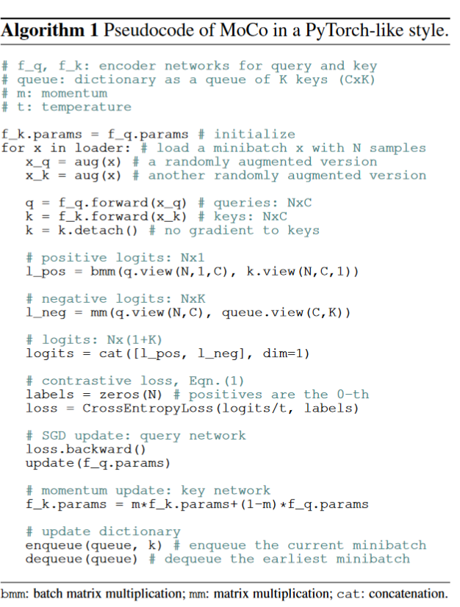
tiitle | Momentum Contrast for Unsupervised Visual Representation Learning
author | Kaiming He Haoqi Fan Yuxin Wu Saining Xie Ross Girshick |  |  |  | FAIR
abstract | contrastive learning | focuses on learning common features between instances of the same class and distinguishing differences between instances of different classes.
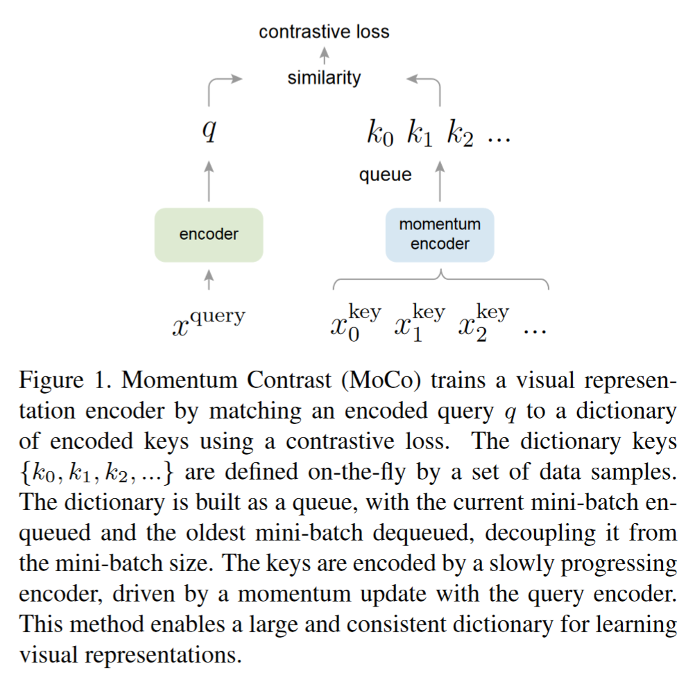
 |  | an example | give image1 (man), image2 (man), and image3 (doge)
 |  |  | the goal of contrastive learning is to learn the same features of image1 and image2 which are different from image3
 |  |  | contrastive learning doesn't care about the labels of image1 to image3, only care about the features of images
 |  | contrastive learning always is defined as self-supervised training in CV region
 |  | it can learn the different types from some pretext tasks, such as instance discrimination
 |  | instance discrimnation | given unlabeled images dataset
 |  |  | choose one image from the dataset randomly
 |  |  | do transformation(crop, augmentation) of the choosen image and get different patches
 |  |  |  | the different patches look different in vision but their semantic information should be same
 |  |  | the patches of image are defined as positive samples, the other images are defined as negative samples
 |  | the apply all positive samples and negative samples on feature map and other networks and functions (such as NCE function)
 | momentum | can be understood as a weighted parameter
 |  | yt = m*yt-1 + (1-m) xt, m is momentum
 |  | the goal of momentum is that current output not only depends on the current input (xt), but also depends on past output
 | perspective on contrastive learning as a dictionary look-up
 | query and moving-averaged encoder
 | linear protocol | freeze the backbone of pre-training networks, only training the output linear layer of networks
 |  | this method consider the backbone as a feature extraction, and test the performance of backbone
introduction | BERT and GPT (unsupervised representation learning) can perform well in NLP, but unsupervised methods still dominant in CV
 | The “keys” (tokens) in the dictionary are sampled from data (e.g., images or patches) and are represented by an encoder network.
 | Unsupervised learning trains encoders to perform dictionary look-up: an encoded “query” should be similar to its matching key and dissimilar to others.
 | Learning is formulated as minimizing a contrastive loss.
 | desirable features of a good dictionary: (i) large and (ii)consistent
related work | pretext tasks | the task being solved is not of genuine interest, but is solved only for the true purpose of learning a good data representation.
 | loss functions | A common way of defining a loss function is to measure the difference between a model’s prediction and a fixed target, such as reconstructing the input pixels (e.g., auto-encoders) by L1 or L2 losses, or classifying the input into pre-defined categories (e.g., eight positions, color bins) by cross-entropy or margin-based losses.
 | adversarial losses | Contrastive losses measure the similarities of sample pairs in a representation space.
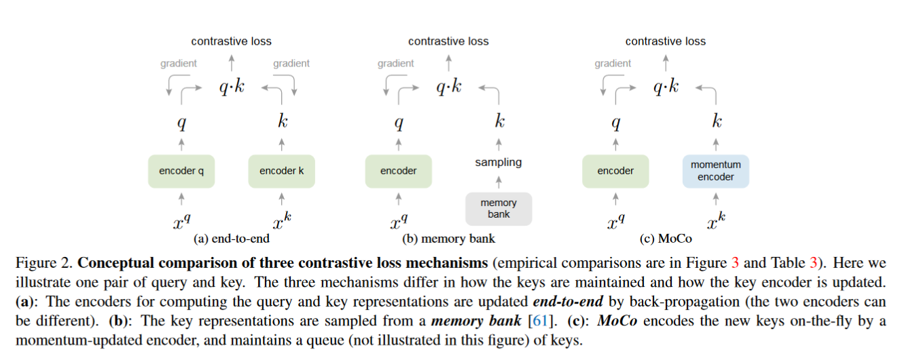
 | contrastive learning | CPC | contrastive predictive coding (CPC), a form of context auto-encoding
 |  | CMC | contrastive multiview coding (CMC), it is related to colorization
methods | dictionary look-up | encoded query | q | query
 |  | a set of encoded samples | {k0, k1, …, kn} | key
 |  | there is a single k+ in key dictionary that q matches
 |  | a contrastive loss is a function whose value is low when q is similar to its positive key k+ and dissimilar to all other keys (considered negative keys for q)
 |  | InfoNCE | noise contrastive estimation
 |  |  | tao is a temperature hyper-parameter per
 |  |  | K is the number of negative samples, from 0 to K means the length of dictionary
 | momentum contrast | dictionary as a queue | FIFO
 |  | dictionary is a sampled subset of all data
 |  | removing the oldest mini-batch can be beneficial because its encoded keys are the most outdated and thus the least consistent with the newest ones
 | momentum update | queue cann't update the key encoder by back-propagation
 |  | default | 0.999
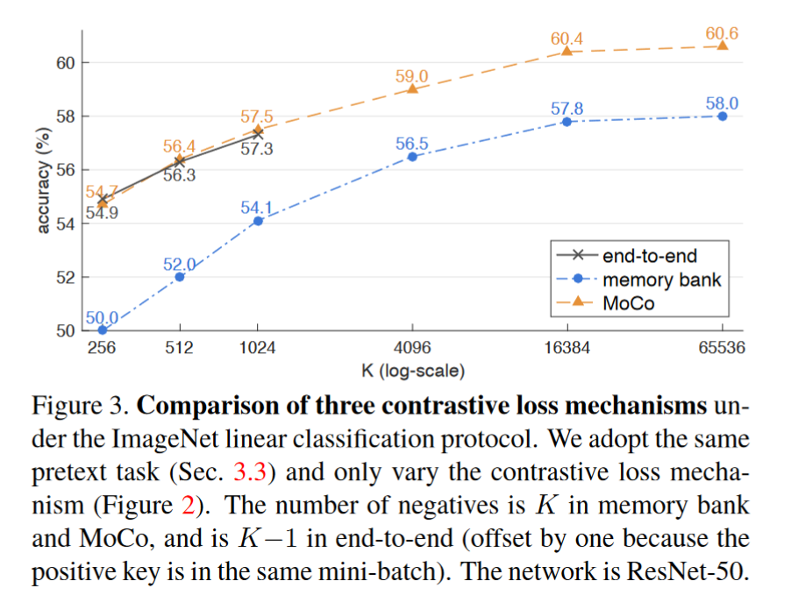
 |  | slowly evolving key wndoder is a core to making use of a queue
 | relations to previous mechanisms | the previous mechanisms are limited by the dictionary size and consistency
 |  | end-to-end | the positive and negative samples come from the same mini-batch; mini-batch equals to dictionary size
 |  |  | limited by the dictionary size
 |  | memory bank | only one encoder: query encoder
 |  |  | store the features of all data to memory bank, then sampling from memory bank to get key dictionary
 |  |  | limited by the consistency
 | shuffling BN | BN's disadvantage: the intra-batch communication among samples leaks information; model appears to 'cheat' the pretext task and easily finds a low-loss solution
experiments | the each image of ImageNet is a new class, because the contrastive defination of +/- samples
 | linear protocol | for training the classifer output layer of feeze pre-trained backbone, the optimal initial learning rate is 30
 | ablation | momentum | show the consistency of MoCo
 | transferring features | a main goal of unsupervised learning is to learn features that are transferrable
conclusion | MoCo’s improvement from IN-1M to IG-1B is consistently noticeable but relatively small, suggesting that the larger-scale data may not be fully exploited.
 | give the opinion of MAE

